Page Layout
Project Name |  |  |  | Wow tasty |  | User Type |  |  |  |  | User |  |  |  | Writer | Hak Choi
Phase |  |  |  | Requirements programing design |  | Page Name |  |  |  |  | Signup |  |  |  | Date | 11/17/2012

 | 1. Page layout

 |  | 1 ) layout
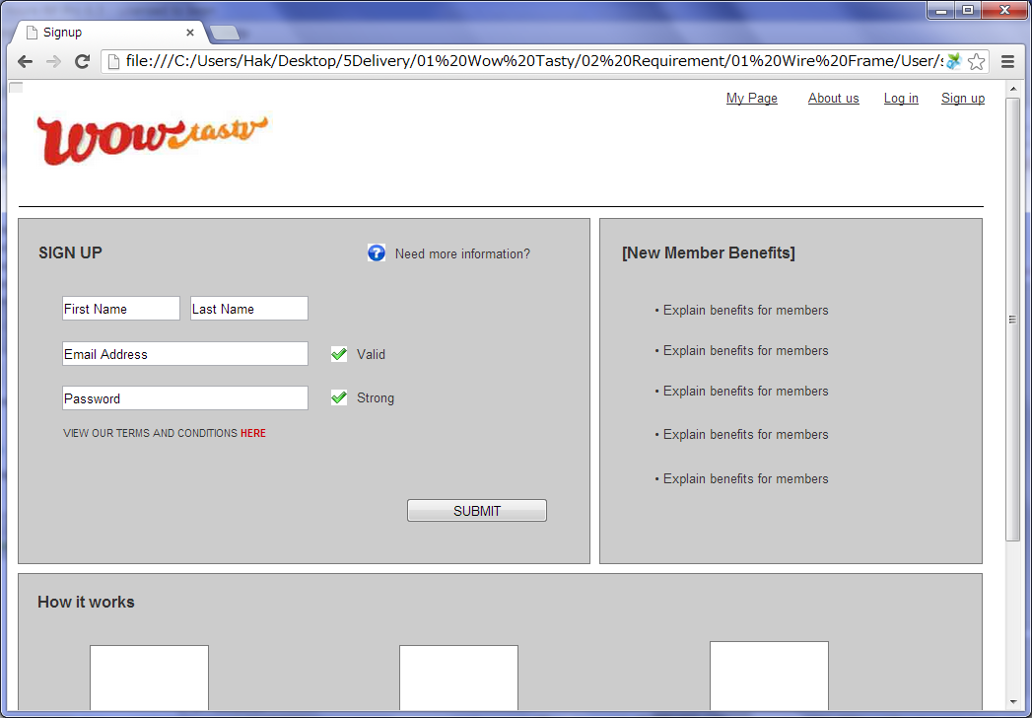

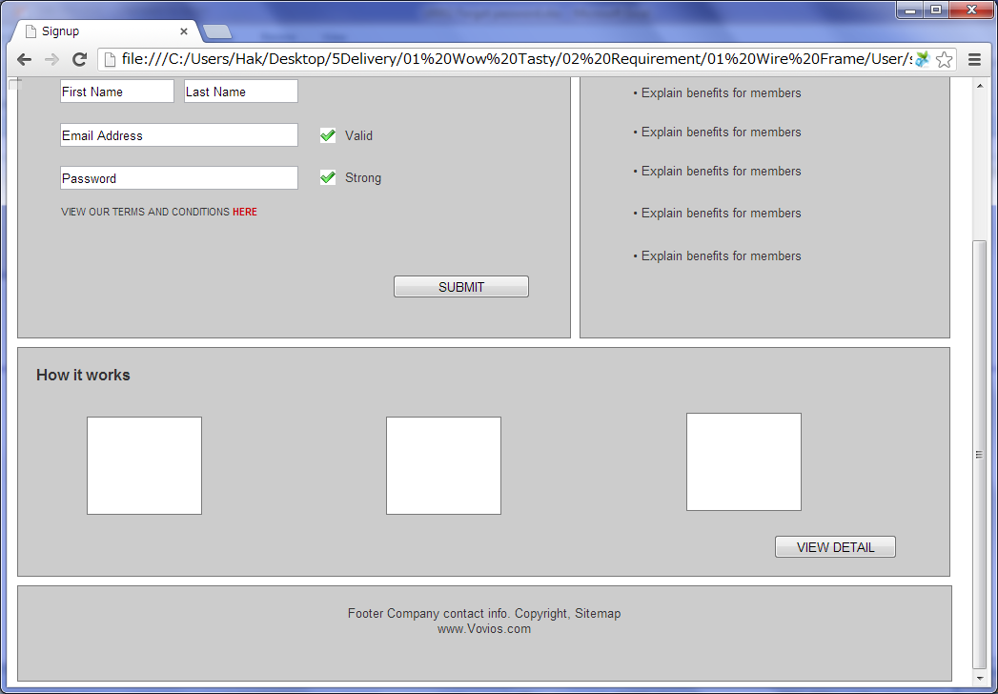

 |  | 2) Field list

 |  | No. | Name |  | Controller |  | Len | Align |  | Default |  | Note
 |  | 1 | First Name |  | Textfield |  | 50 | Left |  | Blank |  | Trim
 |  | 2 | Last Name |  | Textfield |  | 50 | Left |  | Blank |  | Trim
 |  | 3 | E-mail |  | Textfield |  | 256 | Left |  | Blank |  | While inputing, check if the email exists
 |  | 4 | Password |  | Password |  | 20 | Left |  | Blank |  | While inputing, check the password is qualified
 |  | 5 | Terms and conditions |  | Link
 |  | 6 | Submit |  | Button
 |  | 7 | View Detail |  | Button

 |  | 3) Validation list

 |  | - Unit validation
 |  | No. | Name |  | Required | Type |  |  | Other |  |  |  |  | Error Message
 |  | 1 | First Name(Contact) |  | Yes | - |  |  |  |  |  |  |  | E0001
 |  | 2 | Last Name(Contact) |  | Yes | - |  |  |  |  |  |  |  | E0001
 |  | 3 | E-mail |  | Yes | Email |  |  | Email already exists |  |  |  |  | E0001, E0003, E0004
 |  | 4 | Password |  | Yes | Password |  |  |  |  |  |  |  | E0001, E0003

 |  | - Correlation validation
 |  | No. | Condition |  | Field |  |  |  |  |  | Required |  | Other | Error message

Page Transition
Project Name |  |  |  | Wow tasty |  | User Type |  | User |  |  | Writer |  | Hak Choi
Phase |  |  |  | Requirements programing design |  | Page Name |  | Signup |  |  | Date |  | 11/17/2012

 | 2. Page Transition

 |  | 1) Event List

 |  | No. | Name |  | Event |  | Condition |  | Destination page
 |  | 1 | Signup |  | Click |  | Validation OK |  | [Sign up completed] page
 |  | 2 |  |  |  |  | Validation Error |  | [Signup] page
 |  | 3 | Terms and conditions |  | Click |  |  |  | [Terms and conditions] layer
 |  | 4 | How it works |  | Click |  |  |  | [How it works(Member)] page

 |  | 2) Page Transition |  |  |  |  |  |  |  |  |  | page |  | layer

2

4
1
 |  |  |  | How it works(Member) |  |  | Sign up |  |  | Sign up completed

3

 |  |  |  |  |  |  | Terms and conditions

